Sheet1
TVC Mount 1 (X-axis) |  |  |  |  |  | TVC Mount 1 (Y-axis)
Control Arm Length (L) | 0.33 | 0.33 | 0.33 | 0.33 | in | Control Arm Length (L) | 0.33 | 0.33 | 0.33 | 0.33 | in
Distance From Point of Rotation (R) | 1.123 | 0.679 | 0.679 | 0.679 | in | Distance From Point of Rotation (R) | 1.106 | 1.11 | 1.11 | 1.11 | in
Angle of Servo (θ) | 10 | 5 | 15 | -12 | Degrees | Angle of Servo (θ) | 10 | 5 | 15 | -12 | Degrees
 | 0.1745329252 | 0.0872664626 | 0.2617993878 | -0.20943951024 | Radians |  | 0.1745329252 | 0.0872664626 | 0.2617993878 | -0.20943951024 | Radians
Predicted Angle of Motor Case (ϕ) | 0.051049684652 | 0.042371138236 | 0.12612244606 | -0.10121967013 | Degrees | Predicted Angle of Motor Case (ϕ) | -0.051835052492 | -0.025914067049 | -0.077022335077 | 0.06185101188 | Degrees
 | 2.924931476 | 2.4276873941 | 7.2262838614 | -5.7994599024 | Degrees |  | -2.9699297386 | -1.4847666719 | -4.4130547281 | 3.5438019393 | Degrees
Actual Angle of Motor Case (ϕ) | 4.795 | 2.346 | 7.207 | -5.725 | Degrees | Actual Angle of Motor Case (ϕ) |  |  |  |  | Degrees

Thrust Vector Angle vs. Servo Angle (Mount 1)
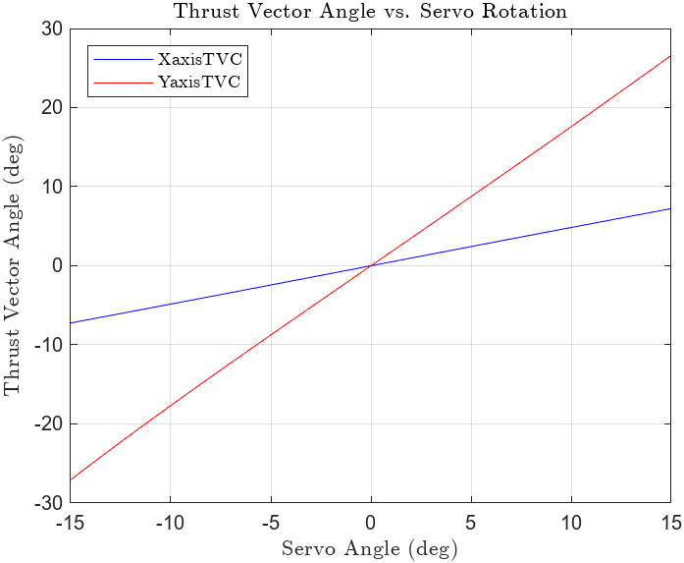
 | TVC Mount 1
 | θ | ϕ X (predicted) | ϕ Y (predicted)
 | -15 | -4.3619 | -4.4290
 | -14 | -4.0766 | -4.1394
 | -13 | -3.7902 | -3.8485
 | -12 | -3.5027 | -3.5566
 | -11 | -3.2143 | -3.2637
 | -10 | -2.9249 | -2.9699
 | -9 | -2.6348 | -2.6753
 | -8 | -2.3439 | -2.3799
 | -7 | -2.0523 | -2.0839
 | -6 | -1.7602 | -1.7873
 | -5 | -1.4676 | -1.4901
 | -4 | -1.1746 | -1.1926
 | -3 | -0.8812 | -0.8947
 | -2 | -0.5876 | -0.5966
 | -1 | -0.2938 | -0.2984
 | 0 | 0.0000 | 0.0000
 | 1 | 0.2938 | 0.2984
 | 2 | 0.5876 | 0.5966
 | 3 | 0.8812 | 0.8947
 | 4 | 1.1746 | 1.1926
 | 5 | 1.4676 | 1.4901
 | 6 | 1.7602 | 1.7873
 | 7 | 2.0523 | 2.0839
 | 8 | 2.3439 | 2.3799
 | 9 | 2.6348 | 2.6753
 | 10 | 2.9249 | 2.9699
 | 11 | 3.2143 | 3.2637
 | 12 | 3.5027 | 3.5566
 | 13 | 3.7902 | 3.8485
 | 14 | 4.0766 | 4.1394
 | 15 | 4.3619 | 4.4290
 |  | Pitch Servo | Yaw Servo
 |  | 0.2919 | 0.2964 | *How many degrees per degree of servo

